Sheet1
Company Name: Dalian Blue Ribbon Pet Things Co., Ltd. No.97 Shuangsheng Road, Shuangdaowan Street, Lvshunkou District, Dalian, Liaoning, China Tel: 86-411-82531219 Fax: 86-411-82531319 Website: www.dlbrpet.com
Catalogue for Bird Cages Frame
Picture | Model | Dimension | Packing | N.W. | G.W. | CBM | Ctn Dimension
 |  | (Inch) | (pcs/ctn) | (kg) | (kg) | (m3) | (cm)
 | DLBR(F)5001 | 14.4 × 16.1 × 28 (36.7 x 41 x 71.1cm) | 2 | 4.2 | 4.93 | 0.029 | 43 x 9 x 73
 | DLBR(F)5002 | 18.5 × 14.3 × 28 (47 x 36.2 x 71.1cm) | 2 | 4.6 | 5.37 | 0.034 | 49 x 9 x 69
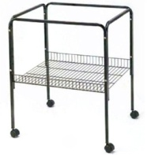 | DLBR(F)5003 | 18.5 × 18.3 × 28 (47 x 46.6 x71.1cm) | 2 | 4.94 | 5.71 | 0.0395 | 49 x 9 x 69
 | DLBR(F)5004 | 23.1 × 17.8 × 28 (58.8 x 45.1 x71.1cm) | 2 | 6.2 | 7.1 | 0.042 | 60 x 9x 70
 | DLBR(F)5004-2 | 23.3x17.8x28.1 (59.2x45.2x71.5cm) | 2 | 5.7 | 6.7 | 0.042 | 61x10x69.5
 | DLBR(F)5005 | 65 tall (165.1cm) | 1 | 2.4 | 3.2 | 0.029 | 40 x 9 x 69
 | DLBR(F)5006 | 66 tall (167.6cm) | 1 | 2.4 | 3.2 | 0.044 | 60 x 9x 69
 | DLBR(F)5007 | 66 tall (167.6cm) | 1 | 2.4 | 3.2 | 0.029 | 40 x 9 x 69
 | DLBR(F)5008 | 66 tall (167.6cm) | 2 | 4 | 5 | 0.052 | 45 x 9 x 109.5
 | DLBR(F)5010 | 29.5 x 66.2 (75.0 x 168.0cm) | 1 | 2 | 2.7 | 0.015 | 90 x 4 x 41.5
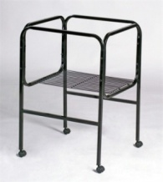 | DLBR(F)5011 | 18.9 x 14.4 x 27.6 (48 x 36.6 x 70.1cm) / 18.9x 18.6 x 27.6 (48 x 47.2 x 70.1cm ) | 2 | 6.07 | 6.95 | 0.033 | 68.5x 50.5x 9.5
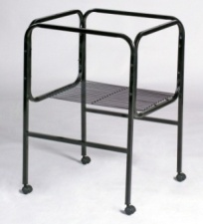 | DLBR(F)5012 | 16.1x 14.6 x 27.6 (41 x 37.2 x 70.1cm) / 16.1 x 16.4 x 27.6 （ 41 x41.7x 70.1cm) | 2 | 5.86 | 6.6 | 0.028 | 68.5x 43.5 x 9.5
 | DLBR(F)5013 | 29.5 x 66.2 (75 x 168.0cm) | 1 | 1.74 | 2.44 | 0.015 | 90 x 4 x 41.5
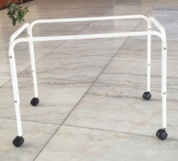 | DLBR(F)5014 | 25.7 x 13.8 x 23.6 (65.4 x 35 x 60cm) | 2 | 3.2 | 4.03 | 0.030 | 68 x 7.5 x 58
 | DLBR(F)5015 | 24.2 x 13.8 x 23.6 (61.2 x 35 x 60cm) | 2 | 3 | 3.78 | 0.028 | 63.5 x 7.5 x 58
 | DLBR(F)5016 | 25.4 x 16.4 x 64.6 (64.4 x41.6 x 164cm) | 1 | 7.7 | 10.55 | 0.065 | 45 x 9x 161
53.0 | DLBR(F)5017 | 29 x 17.5 x 22 (75 x44.5 x 55cm) | 2 | 3.34 | 4.21 | 0.037 | 53x8x78
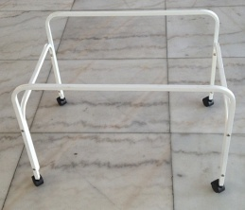 53.0 | DLBR(F)5018 | 29 x 20 x 22 (75 x51 x 55cm) | 2 | 3.34 | 4.237 | 0.037 | 53x9x78
 | DLBR(F)5019 | ф73x175cm | 4 | 9.6 | 10.52 | 0.044 | 84.5x37x14
 | DLBR(F)5020 | ф73x175cm | 4 | 10.4 | 11.32 | 0.042 | 81x37x14
 | DLBR(F)5021 | 39.4x16.5x25.9 (100x42x65.7cm) | 1 | 2.38 | 3.4 | 0.030 | 102.5x5.5x53
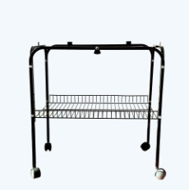 | DLBR(F)5022 | 23.5X16X24.2 (59.7x40.7x61.5cm) | 2 | 4.62 | 5.45 | 0.033 | 62.5x90x59
 | DLBR(F)5017+ DLBR(F)7001 | 32.3x20.5x33.3 (82x52x 84.5cm) | 1 | 6.35 | 7.91 | 0.106 | 84x55x23
 | DLBR(F)5018+ DLBR(F)7001 | 32.3x20.5x33.3 (82x52x 84.5cm) | 1 | 6.35 | 7.91 | 0.106 | 84x55x23
Remarks: - Port of delivery: FOB Dalian Port - Period of delivery :40 working days after receiving the deposit from purchaser. - Terms of payment: T/T (50% deposit 50% balance payment before loading) - MOQ: If your quantity less than our MOQ, the price will lift 10%. 100 pcs for cage stand - Package: Brown carton

